KEY FINANCIAL RATIOS
PEER ANALYSIS | Revenue (TTM) | Net Income (TTM) | Market Cap
Conoco Phillips | 66.73 | 12.91 | 138.11
Chevron Corporation | 214.09 | 30.17 | 309.47
Valero Energy Corporation | 157.15 | 10.9 | 44.68
Exxon Mobil Corp | 364.12 | 51.69 | 429.02

PEER ANALYSIS

EXXON MERGERS AND AQUISITION ( In Billions)
Acquired Company | Date | Deal

Pioneer Natural Resources Co | 2023-10-11 | 59.5
Denbury Inc | 2023-07-13 | 4.9
EARNINGS ( IN MILLIONS)

Segment | Earnings (in Millions)
Upstream | $4,577
Downstream | $2,310
Chemical | $828
Speciality Products | 671
Corporate and Financing | ($506)

Total | $7,880

WACC
WACC |  | COST OF EQUITY

W_D | 8.56% | R_F | 4.73% | (Jun 30 2023) II. Quarter | (Mar 31 2023) I. Quarter | (Dec 31 2022) IV. Quarter | (Sep 30 2022) III. Quarter | (Jun 30 2022) II. Quarter
R_D | 5.58% | BETA | 1.04 | 30.05% | 29.52% | 30.71% | 20.55% | 25.50%
T | 27% | MRP | 5%
W_E | 91.44% | R_E | 9.93%
R_E | 9.93%
WACC | 9.43% | COST OF DEBT

TOTAL DEBT | 41496 | EXXON credit rating | AA / Aa2
SHORT-TERM DEBT | 3,929 | Yield on AA bonds | 5.62
LONG TERM DEBT | 37,567 | Historical Spread AA/Aa2 | 0.85%
 |  | R_F | 4.73%
STOCK PRICE | 108.99 | R_D | 5.58%
# OF SHARES OUTSTANDING | 4,066
MARKET VALUE OF EQUITY | 443153.34

Conisdering the Tax rate to be constant at 27%, we find the weights of the both the debt and equity, also the beta with respect to the market.
WACC is calculated using the weights and costs of both the debt and equity.
WACC = r_D*w_D*(1-tax) + r_E*w_E

Company Name | WACC
Valero | 10.15%
Conocophillips | 9.97%
Chevron | 10.58%
EXXON | 9.43%
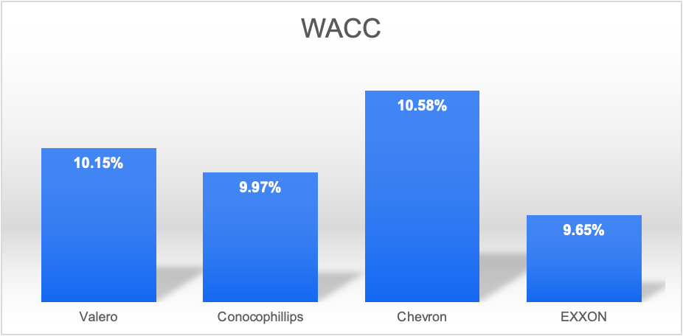

Exxon has a lower WACC when compared with its competitors.
Hence, Exxon looks more attractive than its peers because it is more likely to earn a higher rate of return on its investments.

COMPARABLE ANALYSIS
Company Name | Ticker | Close Price (10-05-2023) | Shares Outstanding ( In Millions) | Market Capitalization | Cash | Total Debt | Net Debt | Enterprise Value | Revenue | EBIT | Depreciation and Amortization | EBITDA | EPS
VALERO | VLO | 138.09 | 358 | 49,436 | 5,075 | 11323 | 6,248 | 55,684 | 34,509.00 | 2,759 | 11 | 2,770 | 5.40
CONOCO PHILLIPS | COP | 117.1 | 1,210 | 141,731 | 6,815 | 16444 | 9,629 | 151,360 | 12,351.00 | 3,362 | 2,010 | 5,372 | 1.84
CHEVRON | CVX | 166.54 | 1,876 | 312,347 | 9,610 | 21514 | 11,904 | 324,251 | 48,896.00 | 7,837 | 3,521 | 11,358 | 3.20
EXXON | XOM | 108.99 | 4,066 | 443,153 | 29,528 | 41496 | 11,968 | 455,121 | 82,914 | 11,656 | 4,242.00 | 15,898 | 1.94

Company Name | EV/SALES | EV/EBIT | EV/EBITDA | P/E | P/S |  |  |  |  | EBIT MARGIN |  | EBITDA MARGIN
Valero | 1.61 | 20.18 | 20.10 | 25.57 | 0.0040016 |  |  |  |  | 8.00% |  | 8.03%
Conocophillips | 12.25 | 45.02 | 28.18 | 63.64 | 0.0094810 |  |  |  |  | 27.22% |  | 43.49%
Chevron | 6.63 | 41.37 | 28.55 | 52.04 | 0.0034060 |  |  |  |  | 16.03% |  | 23.23%
EXXON | 5.49 | 39.05 | 28.63 | 56.18 | 0.0013145 |  |  |  |  | 14.06% |  | 19.17%
 |  |  |  |  |  |  |  |  |  | 16.33% |  | 23.48%
 | EV/SALES | EV/EBIT | EV/EBITDA | P/E | P/S

Min | 1.61 | 20.18 | 20.10 | 25.57 | 0.0034060
Mean | 6.83 | 35.53 | 25.61 | 47.09 | 0.0056295
Max | 12.25 | 45.02 | 28.55 | 63.64 | 0.0094810

Average EV/SALES | 6.83 |  |  |  |  |  |  | EV/Sales | EV/Ebit | EV/EBITDA
Implied EV | 566577 |  |  |  |  |  | Min | 1.61 | 20.18 | 20.10
Implied equity | 554609 |  |  |  |  |  | Mean | 6.83 | 35.53 | 25.61
No. of shares outstanding | 4,066 |  |  |  |  |  | Max | 12.25 | 45.02 | 28.55
Implied stock price | 136.40
 |  |  |  |  |  |  | Implied EV | EV/Sales | EV/Ebit | EV/EBITDA
 |  |  |  |  |  |  | Min | $133,791.23 | $235,250.19 | $319,591.24
Average EV/EBIT | 35.53 |  |  |  |  |  | Mean | $566,577.36 | $414,090.98 | $407,129.75
Implied EV | 414,091 |  |  |  |  |  | Max | $1,016,101.29 | $524,762.86 | $453,860.19
Implied equity | 402,123
No. of shares outstanding | 4,066 |  |  |  |  |  | Implied Equity | EV/Sales | EV/Ebit | EV/EBITDA
Implied stock price | 98.90 |  |  |  |  |  | Min | $121,823 | $223,282 | $307,623
 |  |  |  |  |  |  | Mean | $554,609 | $402,123 | $395,162
 |  |  |  |  |  |  | Max | $1,004,133 | $512,795 | $441,892
Average EV/EBITDA | 25.61
Implied EV | 407129.75377 |  |  |  |  |  | Implied Stock Price | EV/Sales | EV/Ebit | EV/EBITDA
Implied equity | 395,162 |  |  |  |  |  | Min | $30 | $55 | $76
No. of shares outstanding | 4,066 |  |  |  |  |  | Mean | $136.40 | $98.90 | $97.19
Implied stock price | 97.19 |  |  |  |  |  | Max | $247 | $126 | $109

PRECEDENT TRANSACTION
In Millions
M&A DATE | ACQUIRER NAME | TARGET NAME | TICKER | STOCK PRICE | SHARES OUTSTANDING |  |  |  | TOTAL DEBT
 |  |  |  |  |  | MARKET CAP | EBIT | EBITDA |  | CASH | EV (million) | REVENUE | EV/REVENUE | EV/EBIT | EV/EBITDA
2023-08-21 | Permian Resources Corp | Earthstone Energy Inc | ESTE | $18.94 | 107.33 | $2,032.83 | 162.08 | 1262.07 | 1021.00 | 49.50 | $3,004.33 | 1021.20 | 2.94 | 18.54 | 2.3805
2023-08-16 | Energy Transfer LP | Crestwood Equity Partners LP | CEQP | $27.39 | 109.40 | $2,996.47 | 75.5 | 156.6 | 3259.10 | 7.70 | $6,247.87 | 370.00 | 16.89 | 82.75 | 39.8970

 | EXXON |  |  | 108.99 | 4,066 | 443153 | 11656 | 15,898 | 11968 | 29528 | 455,121 | 82914

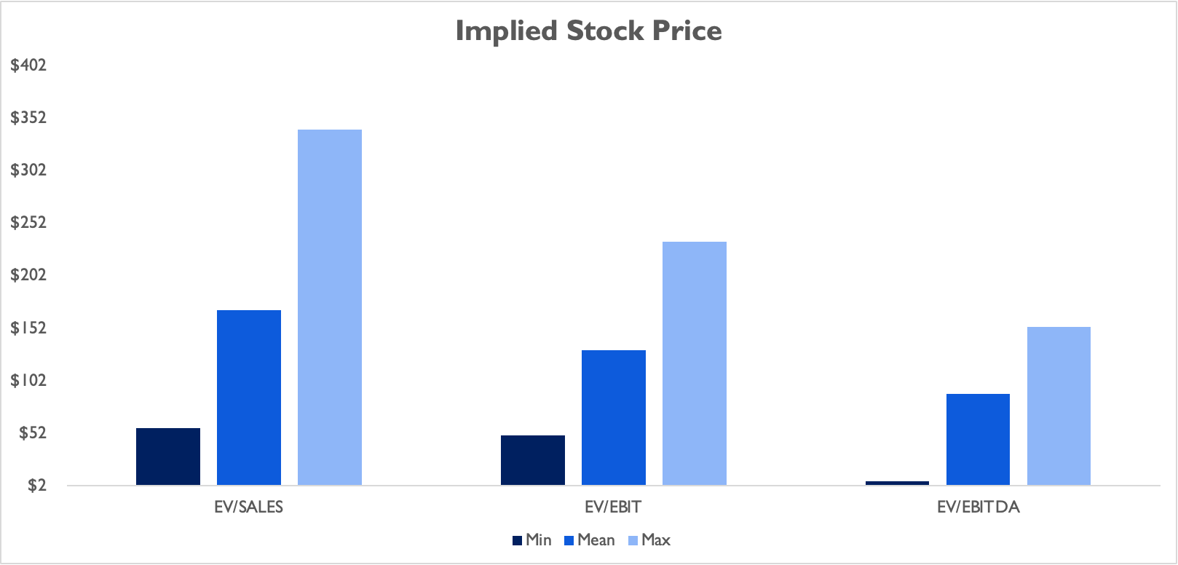
 | EV/SALES | EV/EBIT | EV/EBITDA
Min | 2.94 | 18.54 | 2.38
Mean | 9.91 | 50.64 | 21.14
Max | 16.89 | 82.75 | 39.90

Implied EV | EV/SALES | EV/EBIT | EV/EBITDA
Min | 243929.72405 | 216056.71774 | 37844.843408
Mean | 822012.91814 | 590313.96215 | 336063.46151
Max | 1400096.1122 | 964571.20657 | 634282.07962

Implied Equity | EV/SALES | EV/EBIT | EV/EBITDA
Min | $231,962 | $204,089 | $25,877
Mean | $810,045 | $578,346 | $324,095
Max | $1,388,128 | $952,603 | $622,314

Implied Stock Price | EV/SALES | EV/EBIT | EV/EBITDA
Min | $57 | $50 | $6
Mean | $199 | $142 | $80
Max | $341 | $234 | $153

Date | Target | Ticker | Acquirer | Deal Value | Business
2023-08-21 | Earthstone Energy Inc | ESTE | Permian Resources Corp | 4.5 | OIL,GAS & COAL
2023-08-16 | Crestwood Equity Partners LP | CEQP | Energy Transfer LP | 7.1 | OIL,GAS & COAL

FOOTBALL FIELD
FOOTBALL FIELD
 | MIN | D1 | D2
Comps using EV/Sales | 29.96 | 106.44 | 140.52
Comps using EV/EBIT | 54.91 | 43.98 | 82.13
Precedent Transactions EV/Sales | 57.05 | 142.17 | 199.22
Precedent Transactions EV/EBIT | 50.19 | 92.05 | 142.24
DCF | 93.40 | 49.14 | 151.71
COMPS
Implied Stock Price | EV/SALES | EV/EBIT | EV/EBITDA

Min | 29.96 | 54.91 | 75.66
Mean | 136.40 | 98.90 | 97.19
Max | 246.96 | 126.12 | 108.68

PRECEDENT
Implied Stock Price | EV/SALES | EV/EBIT | EV/EBITDA

Min | $57 | $50 | $6
Mean | $199 | $142 | $80
Max | $341 | $234 | $153

 | MIN | MEAN | MAX
Comps using EV/Sales | 29.96 | 136.40 | 246.96

Comps using EV/EBIT | 54.91 | 98.90 | 126.12

Precedent Transactions EV/Sales | 57.05 | 199.22 | 341.40

Precedent Transactions EV/EBIT | $50 | $142 | $234

DCF | $93 | $143 | $201

 | MIN | D1 | D2

Comps using EV/Sales | 29.96 | 106.44 | 140.52

Comps using EV/EBIT | 54.91 | 43.98 | 82.13

Precedent Transactions EV/Sales | 57.05 | 142.17 | 199.22

Precedent Transactions EV/EBIT | 50.19 | 92.05 | 142.24

DCF | $93 | 49.14 | 151.71

According to our DCF analysis

Price for EV/Sales Ranges between | $100 to $136

Market Price | 108.99

Comparable Analysis (EV/SALES) | $136
Comparable Analysis (EV/EBITDA) | $97
Precedent Transaction (EV/SALES) | $199
Precedent Transaction (EV/EBITDA) | $80
DCF Baseline | $143
DCF Optimistic | $201
DCF Pessimistic | $93

INTRINSIC STOCK PRICE

